original_validCuts
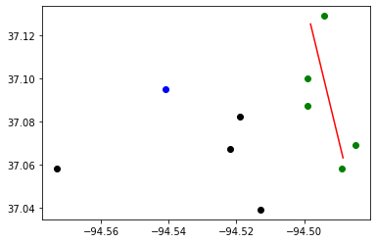
Budget : | 30000000 | Tornado Length: | 5
Best Bound: | 185
Best Objective: | 185
Gap: | 0
CCG Run time: | 6.1
CCG Iteration: | 3
Subproblem Run time: | 6.01
Number of Subproblem Callbacks: | 11
Subproblem Callbacks Run Time: | 0.31
Number of Uncertainty Set Check Call: | 0
Uncertainty Set Check Run Time: | 0
Head of worst tornado: | -94.498 | 37.125
Tail of worst tornado: | -94.489 | 37.063

Block ID | coordinate_x | coordinate_y | Population | Retrofitting | Retrofitting Cost | Damaged? | Recovery Cost | Dislocation
290970109001072 | -94.573 | 37.058 | 45 | Do_nothing | 0 | NO | 0 | 0
290970112004003 | -94.541 | 37.095 | 63 | R3 | 8695 | NO | 0 | 0
290970108003023 | -94.522 | 37.067 | 26 | Do_nothing | 0 | NO | 0 | 0
290970110003032 | -94.519 | 37.082 | 18 | Do_nothing | 0 | NO | 0 | 0
291450205023035 | -94.513 | 37.039 | 4 | Do_nothing | 0 | NO | 0 | 0
290970101004026 | -94.499 | 37.087 | 11 | R3 | 4645 | YES | 235243 | 7
290970101001001 | -94.499 | 37.1 | 1 | R2 | 3788 | YES | 32474 | 1
290970103001027 | -94.494 | 37.129 | 214 | R3 | 19356 | YES | 2034725 | 134
290970105006013 | -94.489 | 37.058 | 25 | R3 | 29806 | YES | 220862 | 16
290970105004005 | -94.485 | 37.069 | 43 | R3 | 18523 | YES | 431885 | 27

